Sheet1
Elementary Schools | 2013-14 | 2014-15 | 2015-2016 | 2016-2017 | 2017-2018
District Total | 13.8% | 13.3% | 11.6% | 14.7% | 11.7%
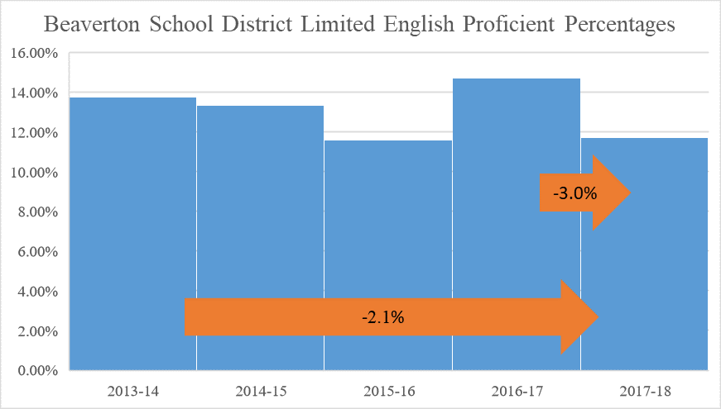

Middle Schools | 2013-14 | 2014-15 | 2015-2016 | 2016-2017 | 2017-2018
Cedar Park | 6.5% | 7.6% | 6.7% | 9.5% | 6.3%
Conestoga | 5.8% | 6.3% | 6.2% | 8.9% | 7.1%
Five Oaks | 12.0% | 11.1% | 11.7% | 18.2% | 16.0%
Highland Park | 7.8% | 7.6% | 6.6% | 10.8% | 7.8%
Meadow Park | 15.2% | 15.2% | 12.9% | 15.4% | 13.4%
Mountain View | 7.6% | 8.3% | 8.9% | 12.4% | 10.0%
Stoller | 4.5% | 4.1% | 5.1% | 8.8% | 5.5%
Whitford | 13.9% | 17.1% | 15.9% | 21.0% | 18.1%
All Middle Schools | 8.7% | 9.0% | 8.5% | 13.1% | 9.9%

High Schools | 2013-14 | 2014-15 | 2015-2016 | 2016-2017 | 2017-2018
Aloha | 6.1% | 5.5% | 3.7% | 6.5% | 7.0%
ACMA | 1.0% | 0.7% | 0.9% | 1.3% | 1.2%
Beaverton | 6.7% | 5.4% | 5.5% | 8.6% | 9.3%
Community School | 9.4% | 6.4% | 3.7% | 8.8% | 4.3%
Health and Science | 5.4% | 5.7% | 4.6% | 3.9% | 4.6%
ISB High | 1.1% | 0.6% | 1.1% | 1.8% | 0.9%
Mountainside | * | * | * | * | 4.4%
Science & Technology | 1.2% | 1.3% | 0.6% | 1.2% | 0.6%
Southridge | 3.6% | 2.9% | 2.7% | 4.6% | 5.6%
Sunset | 5.1% | 4.7% | 3.9% | 6.0% | 4.2%
Westview | 5.5% | 4.4% | 3.6% | 5.4% | 4.9%
All High Schools | 4.8% | 4.1% | 3.2% | 4.8% | 5.2%

Charter Schools | 2013-14 | 2014-15 | 2015-2016 | 2016-2017 | 2017-2018
Arco Iris Spanish Immersion School | 4.1% | 4.7% | 4.4% | 4.9% | 5.7%
Hope Chinese Charter School | 9.6% | 7.0% | 6.5% | 7.8% | 4.3%
All Charter Schools | 5.4% | 5.4% | 4.9% | 6.4% | 5.1%

Elementary Schools | 2013-14 | 2014-15 | 2015-2016 | 2016-2017 | 2017-2018
Aloha-Huber Park, K-8 | 42.3% | 39.5% | 38.7% | 41.4% | 33.3%
Barnes | 46.7% | 46.6% | 39.7% | 43.4% | 37.5%
Beaver Acres | 28.6% | 28.0% | 22.5% | 25.9% | 22.3%
Bethany | 10.0% | 10.8% | 10.9% | 12.0% | 10.6%
Bonny Slope | 5.9% | 6.1% | 5.2% | 8.0% | 7.8%
Cedar Mill | 11.0% | 9.9% | 9.6% | 12.4% | 9.1%
Chehalem | 29.7% | 31.2% | 27.4% | 29.3% | 22.4%
Cooper Mtn. | 8.2% | 7.6% | 7.0% | 8.6% | 6.5%
Elmonica | 30.8% | 30.7% | 31.7% | 38.9% | 25.8%
Errol Hassell | 15.0% | 15.0% | 11.0% | 15.3% | 13.0%
Findley | 6.2% | 6.3% | 7.6% | 10.3% | 7.0%
Fir Grove | 24.0% | 21.3% | 20.4% | 25.9% | 20.1%
Greenway | 35.8% | 32.4% | 32.8% | 38.3% | 29.3%
Hazeldale | 23.3% | 22.5% | 23.6% | 26.6% | 21.2%
Hiteon | 9.6% | 9.7% | 7.5% | 9.8% | 6.8%
Jacob Wismer | 13.4% | 12.4% | 13.0% | 18.1% | 11.0%
Kinnaman | 23.9% | 27.6% | 24.3% | 25.7% | 18.9%
McKay | 30.7% | 26.9% | 24.6% | 29.6% | 25.8%
McKinley | 31.0% | 30.7% | 24.6% | 27.2% | 19.4%
Montclair | 9.5% | 7.5% | 7.6% | 8.2% | 4.8%
Nancy Ryles | 8.6% | 10.9% | 11.3% | 11.5% | 7.5%
Oak Hills | 7.8% | 10.1% | 11.8% | 13.8% | 8.5%
Raleigh Hills, K-8 | 17.5% | 19.4% | 18.0% | 19.1% | 17.1%
Raleigh Park | 21.4% | 21.5% | 20.9% | 24.1% | 17.8%
Ridgewood | 6.1% | 6.1% | 4.8% | 5.9% | 4.6%
Rock Creek | 10.8% | 8.9% | 7.5% | 11.1% | 7.7%
Sato | * | * | * | * | 12.5%
Scholls Heights | 7.7% | 5.5% | 4.7% | 9.3% | 5.2%
Sexton Mtn. | 10.6% | 10.5% | 8.7% | 10.6% | 6.8%
Springville, K-8 | 9.3% | 10.1% | 12.0% | 15.0% | 13.3%
Terra Linda | 15.4% | 13.4% | 14.6% | 15.3% | 12.5%
Vose | 66.7% | 68.2% | 62.1% | 66.1% | 55.0%
West Tualatin View | 6.6% | 7.6% | 6.8% | 8.5% | 4.3%
William Walker | 63.1% | 62.7% | 56.3% | 61.2% | 56.3%
All Elementary Schools | 21.6% | 21.3% | 18.6% | 22.0% | 17.5%

chart
 | 2012-13 | 2013-14 | 2014-15 | 2015-16 | 2016-17 | 2017-18
District Total | 13.5% | 13.8% | 13.3% | 11.6% | 14.7% | 11.7%

-2.1%
-3.0%

